Sheet1
 |  | Document No. |  | Issue No. |  | Issue Date |  |  | Review and Replace Date |  | Authorised By
 |  | GFF352MC |  | 2 |  | 23.03.2022 |  |  | 03.07.2023 |  | Magda Shah
 |  | Document Title | South Indian King Prawn Curry with Brown Rice 400g
Document amendments reason for change |  | Tray & Film Changed Brown Rice recipe name changed |  |  | Page 1 of 1 |  | Previous Issue Date |  |  | 23.03.2022 | Uncontrolled copy unless signed original

FPSINDR-R8TMC | MINDFUL CHEF |  | South Indian King Prawn Curry with Brown Rice 400g | FROZEN
STEP 1 |  |  |  | STEP 2
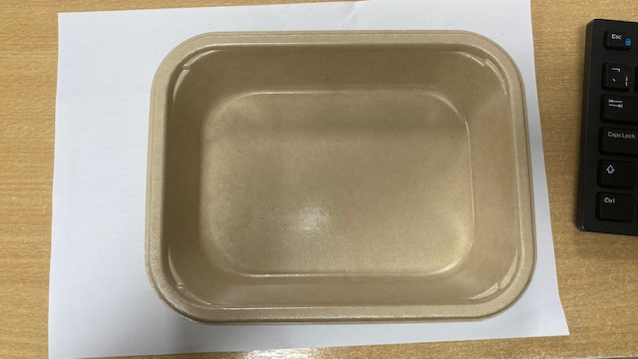

PACK DAY + 1 YEAR
NON-MAP PACK

Tray: Flat Tray-PET Fresh Fibre Food Tray (200 x 155 x 39)-PKHUH001-01 |  |  |  | Marinated King Prawns-(GFF403R):70g

Film: K peel 7G+25A/f-275mm-(PKKMP001-03)
STEP 3 |  |  |  |  |  |  |  | STEP 4

Coriander Brown Rice (GFF255R): 100g |  |  |  |  |  |  |  | South Indian Sauce (MC) (GFF418R) : 230g |  |  |  | TOTAL WEIGHT: 400g

ALLERGY ALERT: CRUSTACEAN, MUSTARD

